INSTRUCTIONS & LEGEND

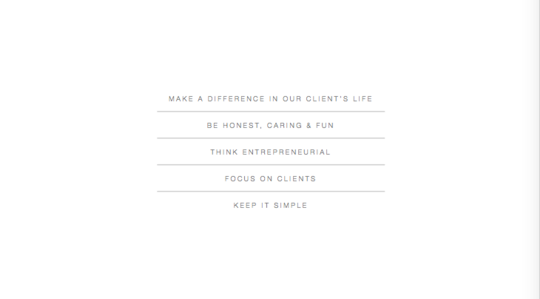
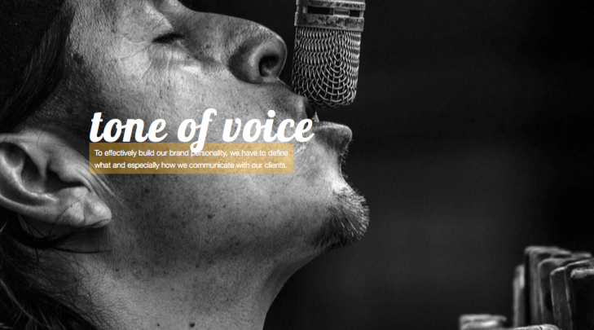
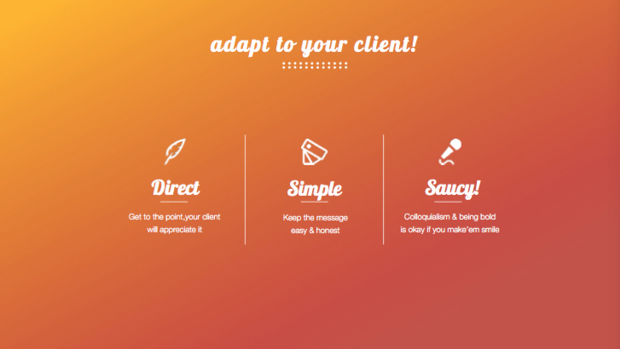
INSTRUCTIONS & LEGEND

EXCEL SHEETS
Web Text Directory (ORIGINAL) | Original Serves as reference only, if AFTER document is messed up
Web Text Directory (REVIEW) | Your working sheet
Keyword Planner | Lists of SEO relevant kewywords for managerslides.com

UNDERSTANDING THE TABLE
Tab | On the website
Page | One level below Tab. It has a unique header and sescription
Item | Items are on a page. Each Iteam have a name and a description.
Call-to-action | General strategy per page to lead visitor to

DINSTINGUISHING TEXT SOURCES
Black copy | Text written by managerslides , can be used as it is and changed/imporved as well
Coloured Copy | Text copied from competitor as inspiration and hence needs to be rewritten. Message should stay similar adjusted to managerslides brand.
Source | Souce of the inspiration text
Grey Shaded | No need to change

 | Feel free to cut, change, add, challenge concept etc. Full empowerment here :)
 | Priority is on Stage 1 & 2 at the moment
 | Again, let me know if you need anything. Regarding this project or anyhow else

COMPETITOR / INSPIRATION:
https://www.duarte.com/
https://www.ethos3.com/
https://www.slidegenius.com/
https://thepresentationdesigner.co.uk/
https://24slides.com/
https://www.stinsondesign.com/
http://sliderabbit.com/
https://slidepress.com/de/index.html
http://slidemaster.com.au/

BRAND GUIDELINES

In detail:
https://www.dropbox.com/s/npp9vse1ksyh1ar/04.%20brand%20guidelines%20-%20managerslides.pdf?dl=0


In short:

